Lilly Mod 6 Ex. 1
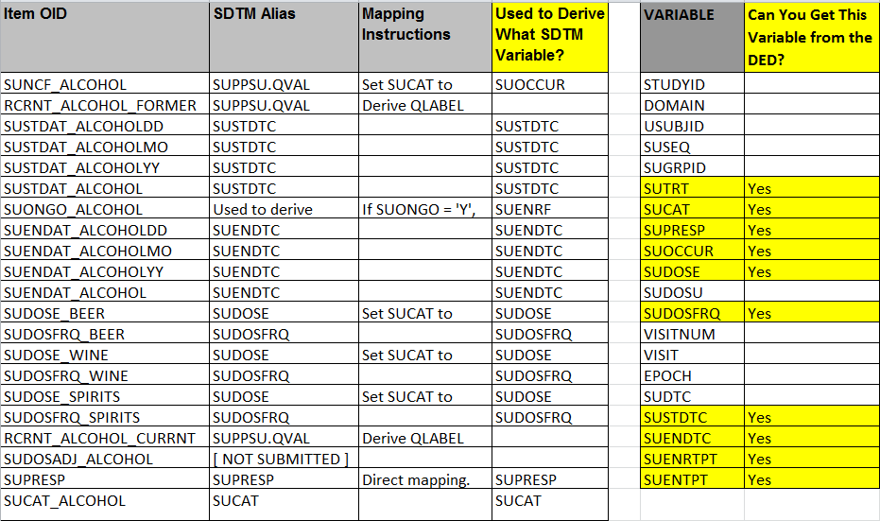
CRF Variables (ONLY use Variables in SYST3001 CRF.png) | Use DED to map to SDTM Alias | Lilly Required SDTM CM Variables (According to CM Standard) | Lilly Required Variables on the CRF | Lilly Required Variables not on the CRF
SYSTOCCUR | CMSTAT
SYSTREASND | CMREASND
SYSTMDLY | CMSCAT
CMSPID | CMSPID
SYSTTRT | CMTRT | CMTRT | CMTRT
SYSTSTDAT | CMSTDTC | CMSTDTC | CMSTDTC
 |  | STUDYID |  | STUDYID
 |  | DOMAIN |  | DOMAIN
 |  | USUBJID |  | USUBJID
 |  | CMSEQ |  | CMSEQ
 |  | CMDECOD |  | CMDECOD
 |  | CMCAT |  | CMCAT
 |  | CMINDC |  | CMINDC
 |  | EPOCH |  | EPOCH
 |  | CMENDTC |  | CMENDTC
 |  | CMSTDY |  | CMSTDY
 |  | CMENDY |  | CMENDY
 |  | CMENRF |  | CMENRF

Instructions for Mod 6 Ex. 2
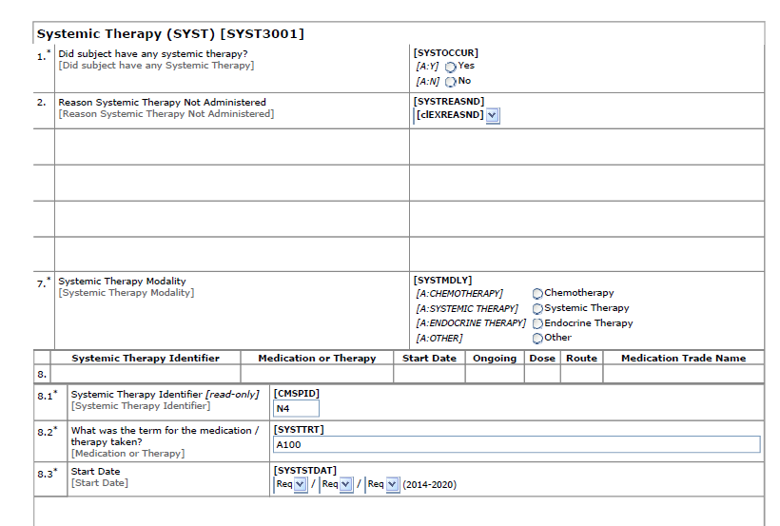
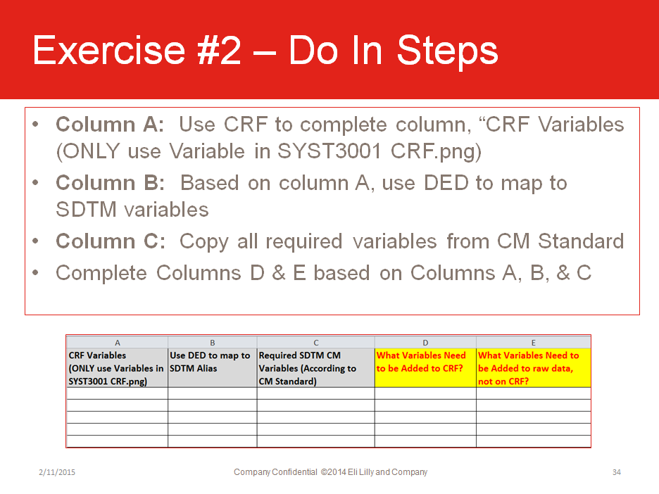
•Open the Lilly Mod 6 Exercise Template, tab: Lilly Mod 6 Ex. 2
•Open the DED “TA-DED_SYST3001_V6 0.xls”
•Column G: Use the DED column “SDTM Alias” to copy all the SDTM variables held in the DED
•Remove variables that reference “SUPPxx.QVAL or [NOT SUBMITTED]
•Column H: Utilizing Columns E (Required Variables not on CRF) and Column G (DED/CRF variables) determine which Lilly Required variables need be added to the CRF
•Column I: Utilizing Columns E (Required Variables not on CRF) and Column G (DED/CRF variables) determine the Lilly Required variables that will not have the CRF as the source

